List1
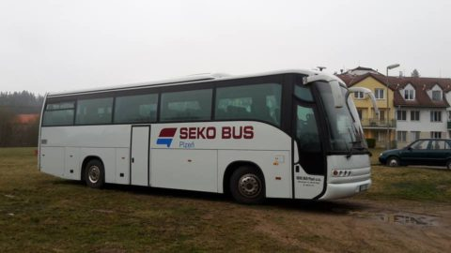
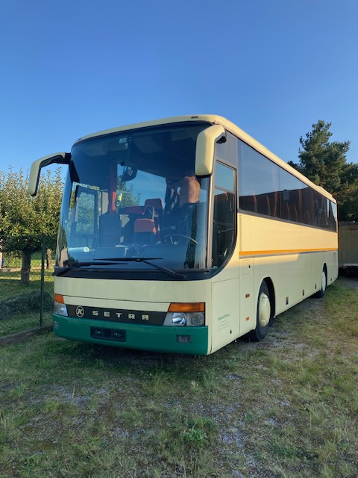
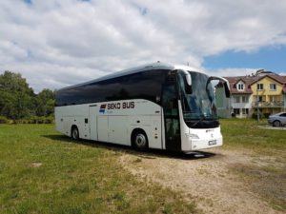
Transfery
Arrival
datum | odjezd | čas | číslo letu | společnost | destinace | počet osob | vedoucí | stát | hotel | terminal
28.10. | 20:30:00 | 19:25:00 | DY4593 | Norwegian | Helsinki | 3 | Keinenan | Finland | Continental | T2 | Transporter | placeno 26.10.
28.10. | 20:30:00 | 18:45:00 | LH1498 | Swiss | Zurich | 2 |  | Luxemburg | Parkhotel | T2 | Transporter | placeno 27.10.
29.10. | 10:30:00 | 7:55:00 | QS1287 | Jet2 | Tel Aviv | 18 | Orit Shaked | Izrael | Ibis | T1 | BUS 1 | 2 judges Parkhotel
29.10. | 10:30:00 | 8:25:00 | fr8331 | Ryanair | Roma | 1 | Paravani | Italy | Parkhotel | T2 | BUS 1 | rozhodčí
29.10. | 10:30:00 | 9:25:00 | FR8221 | Ryanair | Copenhagen | 7 | Kofod | Denmark | Primavera | T2 | BUS 1
29.10. | 10:30:00 | 9:35:00 | FR8221 | Ryanair | Copenhagen | 18 | Linck | Denmark | Ibis | T2 | BUS 1 | placeno 28.10.
29.10. | 13:15:00 | 11:55:00 | LO527 | LOT | Warsawa | 5 | Pedersen | Denmark | Primavera | T2 | BUS 2 | placeno 26.10.
29.,10. | 13:15:00 | 12:00:00 | SU2012 | Aeroflot | Moscau | 1 | Gashnikova | Russia | Ibis | T2 | BUS 2
29.10. | 13:15:00 | 12:05:00 | FR5507 | Ryanair | Milano | 1 | Taeb | Italy | Parkhotel | T2 | BUS 2 | rozhodčí
29.10. | 13:15:00 | 12:10:00 | DY1502 | Norwegian | Oslo | 11 | Saelid | Norway | Parkhotel | T2 | BUS 2 | placeno 25.10.
29.10. | 15:30:00 | 13:00:00 | BZ462 | Bluebird | Tel Aviv | 3 | Ward | Izrael | Primavera | T2 | Transporter | placeno 26.10.
29.10. | 15:30:00 | 14:30:00 | HV 5235 | Transavia | Eidhoven | 3 | Sonnema | Netherland | Parkhotel | T2 | Transporter | placeno 26.10
29.10. | 15:30:00 | 14:30:00 | HV 5235 | Transavia | Eidhoven | 1 | Lewerisa | Netherland | Parkhotel | T2 | Transporter | rozhodčí
29.10. | 19:45:00 | 18:10:00 | FR1054 | Ryanair | Edinburg | 1 | Connel | Scotland | Ibis | T2 | Minibus | placeno 27.10.
29.10. | 19:45:00 | 18:45:00 | FR2013 | Ryanair | London | 4 | Turner | England | Ibis | T1 | Minibus | placeno 25.10.
29.10. | 19:45:00 | 18:45:00 | AY1223 | Finnair | Helsinki | 7 | Mantere | Finland | Lions | T2 | Minibus | placeno 25.10.
29.10. | 19:45:00 | 18:45:00 | AY1223 | Finnair | Helsinki | 1 | Manti | Finland | Ibis | T2 | Minibus | placeno 26.10
29.10. | 19:45:00 | 18:45:00 | AY1223 | Finnair | Helsinki | 1 | Nurmi | Finland | Ibis | T2 | Minibus
29.10. | 22:30:00 | 21:45:00 | LO529 | LOT | Warsawa | 4 | Ponomarenko | Latvia | Parkhotel | T2 | Minibus | rozhodčí
29.10. | 22:30:00 | 21:55:00 | OS711 | Austrian | Wienna | 5 | Morozov | Azerbajdzan | Ibis | T2 | Minibus
 |  |  |  |  |  | 97

Departure
datum | odjezd | čas | číslo letu | společnost | destinace | počet osob | vedoucí | stát | hotel | terminál
31.10. | 6:00:00 | 9:40:00 |  |  |  | 3 | Keinenan | Finland | Continental | T2 | Transporter
2021-10-31 | 6:00:00 | 10:10:00 |  |  |  | 1 | Connel | Scotland | Ibis | T1 | Transporter
31.10. | 9:15:00 | 12:30:00 | LO528 | LOT | Warsawa | 5 | Pedersen | Denmark | Primavera | T2 | Transporter
31.10. | 9:00:00 | 13:45:00 |  | Swiss |  | 2 |  | Luxemburg | Parkhotel | T2 | Transporter
31.10. | 12:00:00 | 15:30:00 | FR8222 | Ryanair | Goteborg | 1 | Manti | Finland | Ibis | T2 | Transporter
31.10. | 12:30:00 | 17:05:00 | FR5508 | Ryanair | Milano | 1 | Taeb | Italy | sporthall | T2 | Transporter
31.10. | 15:00:00 | 18:00:00 | LO522 | LOT | Warsawa | 4 | Ponomarenko | Latvia | sporthall | T2 | BUS 1
31.10. | 15:00:00 | 18:20:00 | EW4210 | Eurowings | Copenhagen | 18 | Linck | Denmark | sporthall | T2 | Bus 1
31.10. | 15:00:00 | 19:30:00 | AY1224 | Finnair | Helsinki | 1 | Nurmi | Finland | sporthall | T2 | Bus 1
31.10. | 18:00:00 | 21:35:00 | FR 2014 | Ryanair | London | 4 | Turner | England | Ibis | T1 | Transporter
31.10. |  | after competition |  |  | Prague | 7 | Mantere | Finland | sporthall |  | BUS1
31.10. | 20:00:00 | 23:45:00 | QS1286 | Jet2 | Tel Aviv | 18 | Orit Shaked | Izrael | Ibis | T1 | BUS 2
1.11. | 4:00:00 | 7:05:00 | FR8332 | Ryanair | Roma | 1 | Paravani | Italy | Parkhotel | T2 | Transporter
1.11. | 4:00:00 | 8:55:00 | HV 5236 | Transavia | Eindhoven | 3 | Sinnema | Netherlands | Parkhotel | T2 | Transporter
1.11. | 7:00:00 | 10:00:00 |  |  |  | 3 | Ward | Izrael | Primavera | T2 | Bus 3
1.11. | 7:00:00 | 10:55:00 |  |  |  | 6 | Morozov | Azuerbajdzan | Ibis | T2 | BUS3
1.11. | 7:00:00 | 11:10:00 | FR8220 | Ryanair | Copenhagen | 7 | Kofod | Denmark | Primavera | T2 | Bus 3
1.11. | 10:00:00 | 14:00:00 | DY1503 | Norwegian | Oslo | 11 | Saerlid | Norway | Parkhotel | T2 | minibus
 |  |  |  |  |  | 96

Contact person from bus is Mr. Sedlacek mobil phone:+420 721 043 818 or +420 732 222 605. Bus wait on the airport between terminal 2 on time in time plan. We must wait this bus, because parking buses on the airport is very complicated. Bus will be logo tournament.

Contact person transporter is Mr. Pelnar mobil phone: +420 606 615 968. Transporter wait nearly terminal your landing. Will be wait person on this terminal.

If some problem with contact drivers my mobil phone: +420 603 700 679

  

